Responsive and problem
RESPONSIVE TESTING

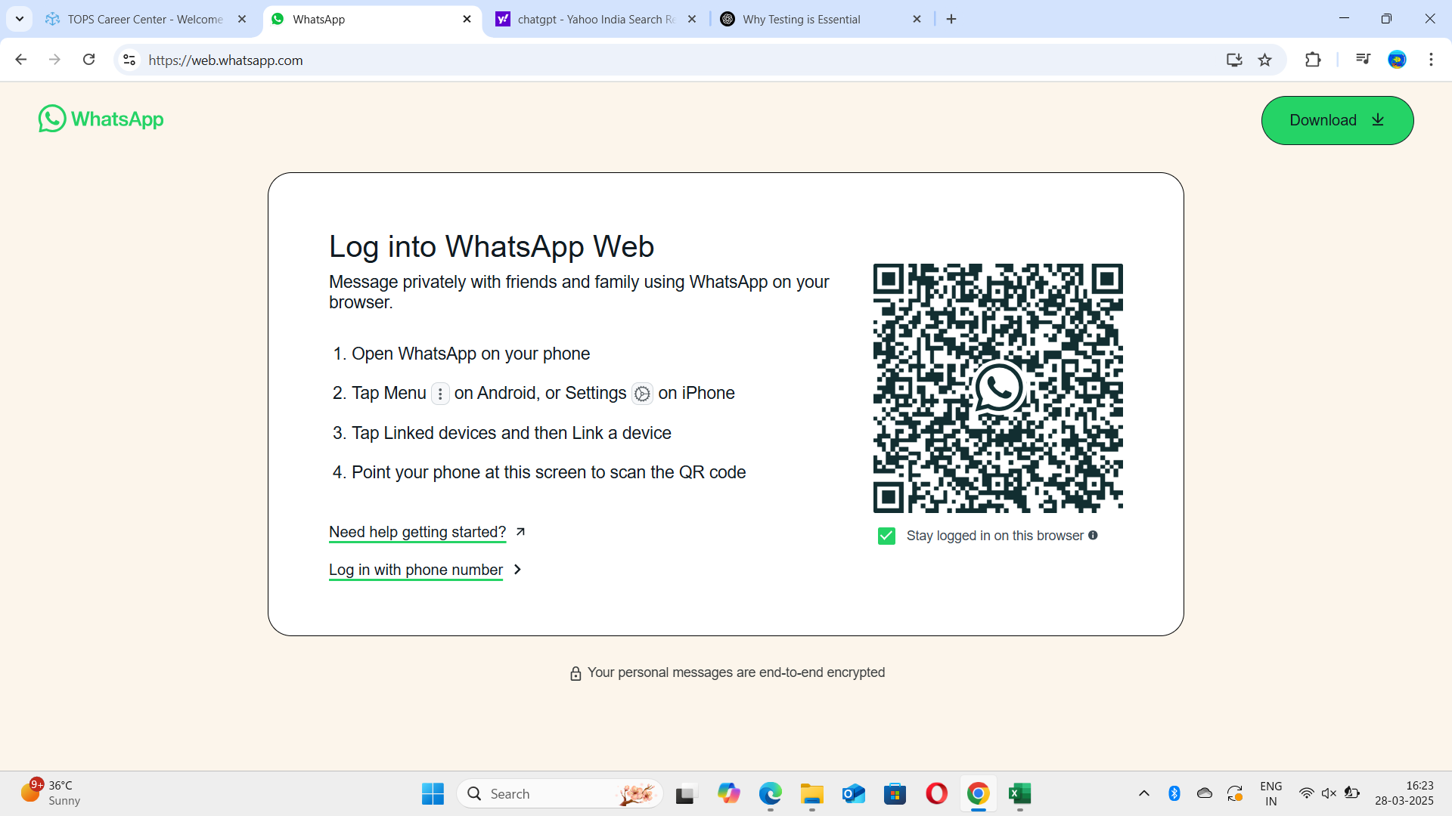
 |  | It is laptop view and this is responsive

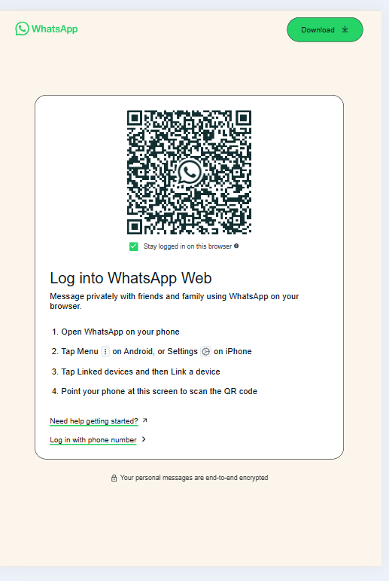
 | It is ipad view and this is reponsive

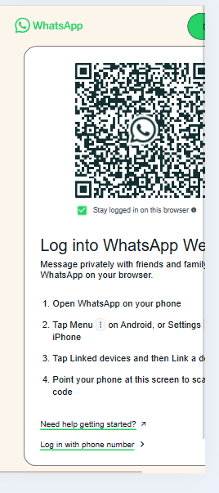
 | It is andriod view and this is responsive

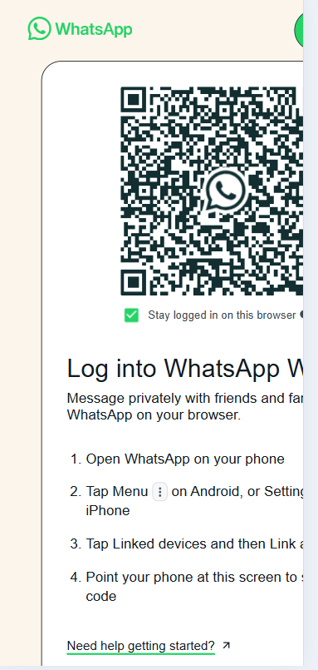
 | It is iphone 12 pro and this is responsive

Sheet1
DEFECT REPORT SCREEN SHOOT


 | screen shot of Defect report _3

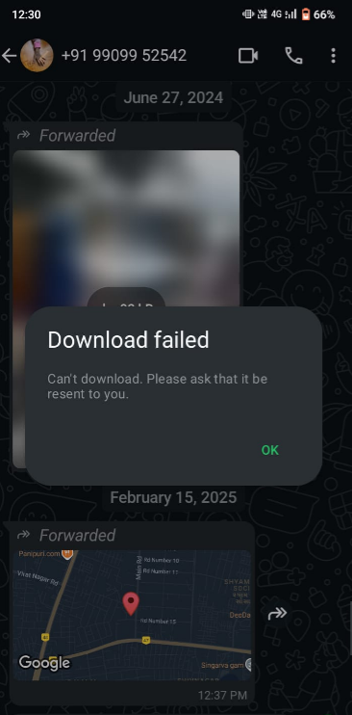
 | screen shot of defect report _02

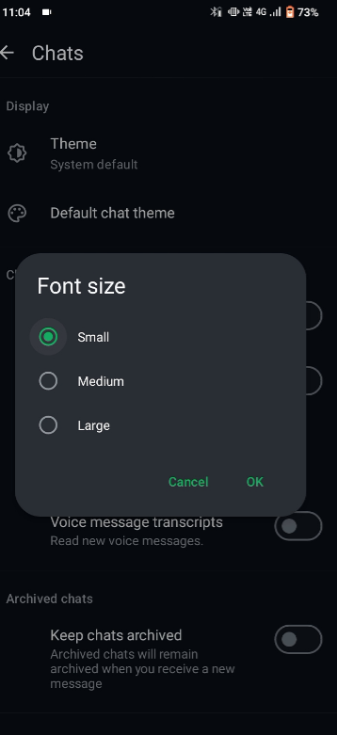
 | Screen shoot of defect report _01


 | Screen shoot of defect report _01


 | Scrrenshooot of defect report _04

